MHV email notifications
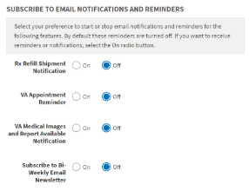
S. No. | Source | Type of notification | Trigger | Email Content | Notes/Comments
1 | MHV | RX Refill Shipment Notification | MHV nightly pull of new CMOP shipment data (nightly batch job)
2 | MHV | VA Appointment Reminder | MHV identifies future appointment from (OVAC? - to be verified); Reminder sent 7 days prior to a scheduled appointment and 3 days prior to a scheduled appointment (nightly batch job) | Existing template to be updated & shared by Rosanna
3 | MHV | New Secure Message Notification | A new Secure Message is available in the User’s SM Inbox
4 | MHV | VA Medical Images and Report Available Notification | User selected to be notified when Medical Image and Report download completed | Template to be shared by Rosanna
5 | GovDelivery - MHV | Bi-Weekly Email Newsletter | Sent every 2 weeks
Some future work to consider: 1) Appointment email reminder updates to include PHI/PII, 2) Email notification when a new lab result or test is available, 3) Email notification when a RX Refill Status Changes Please reach out to Rosanna Weaver (Program Manager/Analyst for MHV) for further clarifications.

VVS - (VCM, VVC Now, VSE GUI)
S. No. | Source | Type of notification | Trigger & notification eligibility | Email/Text Content | Notes/Comments
1 | VVS | Email notification for Scheduled VA Video Connect (VVC) appointment | When a VVC appointment is scheduled by VA staff member in VCM, VVC Now, VS/VSE GUI, the notification is sent automatically upon appointment creation; Also there is a manual option for provider to resend if required. Notifications are sent both to Veteran and the VA healthcare provider. |  | 1) VVC now is not a scheduled VVC appt, it schedules current appoinment so no reminders are sent, only notification is sent. 2) VS/VSE GUI has two types of appointments - VistA appointments that the MSAs (Medical Support Assistants) can mail a VistA letter for, and VVC appointments that are linked to the VistA appointment. The patient receives a VistA letter from the MSA and a VVC notification for the Video Conference. 3) For VVC appointments scheduled from TMP, the notifications are sent from TMP (TMP notifications list in TMP tab) while only the reminders are sent from VVS. 4) Email is mandatory for communication. Texts are optional.
2 | VVS | Email notification for Cancelled VVC appointment | When a VVC appointment is cancelled by VA staff member in VCM, VS/VSE GUI the notification is sent automatically upon appointment cancellation; Notification is sent to both Veteran and the VA healthcare provider. |  | 1) VVC Now cannot be cancelled as it is current so no cancellation notifications are sent. 2) For VVC appointments cancelled from TMP, the notifications are sent from TMP while only the reminders are sent from VVS.
3 | VVS | Email reminders for upcoming VVC appointment | When a VVC appointment is scheduled in TMP, VCM, VS/VSE GUI, the reminders are sent automatically 7days before, 3 days before and 1 day before the appointment date for the Veterans and for the providers they can opt in for a reminder on the day of the visit. | Same as in Cell E2 (Appointment scheduled confirmation notification and reminders are same templates)
4 | VVS | VVC text notification for appointment confirmation and day of appointment reminder | When a VVC appointment is scheduled by VA staff member in VCM, VVC Now the staff member needs to select the patient’s phone number in VCM for text notification option during video visit creation (a VA staff member checks a box in VCM to enable text notification). Resend Invite will resend the text message if it a text message was selected when the video visit was originally created. Text notifications are sent both to Veteran and the VA healthcare provider. | 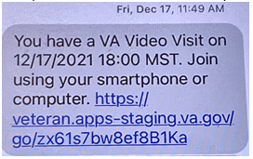 | Text notifications are only available for VCM and VVC Now.
5 | VVS | VVC text notification for appointment cancellation | When a VVC appointment is cancelled by VA staff member in VCM, VVC Now and the staff member has selected the patient’s phone number in VCM for text notification option during video visit creation. Cancellation text notifications are sent both to Veteran and the VA healthcare provider. | 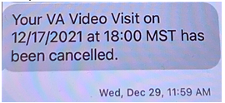
6 | VVS | VVC text reminder for upcoming appointment | When a VVC appointment is scheduled by VA staff member in VCM, VVC Now and the staff member has selected the patient’s phone number in VCM for text notification option during video visit creation. The same text message in cell E4 is sent as a reminder on the day of appointment to both the Veterean and the VA healthcare provider. | Same as in cell E4
Please reach out to Aaron Steele for any further clarifications on VVS notifications.

